Summary
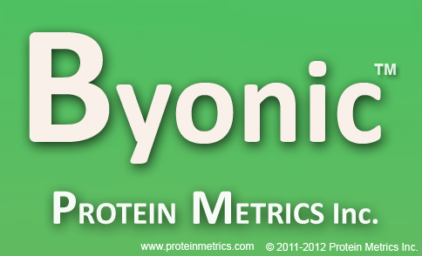
Summary:
 | 1) Input data file: //sums-data/Proteomics/RAW Data/UCSF/SRamundo/160920/Niv/160920_SRamundo_Niv_Walter_UCSF_6023_WT_40.raw
 | 2) Protein database: \\SUMS-data\Proteomics\FASTA\20160527_uniprot_homo_sapiens_iso.fasta
 | 3) Parameter file: C:\PM_Out\Leib\20161005\160920_SRamundo_Niv_Walter_UCSF_6023_WT_40.raw_20161005_Byonic\objs\params.prf
 | 4) Date/Time: October 5, 2016 10:36:33 PM PDT
 | 5) RunTime: 57 minutes, 23 seconds; on 10 cores

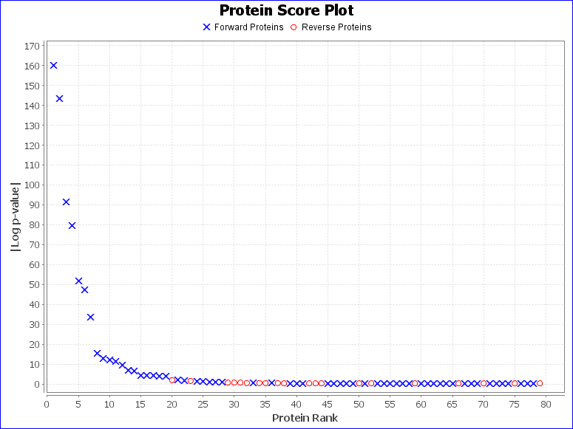
Summary Statistics:
 | 1) Reporting 59 forward and 20 reverse proteins
 | 2) 350 unique forward peptides
 | 3) 1604 spectra matched to forward peptides
 | 4) Estimated spectrum-level FDR on true proteins is 1.4%

Recorded protein search configuration:
Num | Rule | Value
0 | Protein database | \\SUMS-data\Proteomics\FASTA\20160527_uniprot_homo_sapiens_iso.fasta
1 | Spectrum-level FDR | Auto cut
2 | Cleavage residues | RK
3 | Digest cutter | C-terminal cutter
4 | Peptide termini | Semi specific N-ragged
5 | Maximum number of missed cleavages | 2
6 | Fragmentation type | CID low energy
7 | Precursor tolerance | 12.0 ppm
8 | Fragment tolerance | 0.4 Da
9 | Charges applied to charge-unassigned spectra: | 1,2,3
10 | Precursor mass max | 10000.0
11 | N-glycan search | None
12 | O-glycan search | None
13 | Skip bad spectrum | true
14 | Off by x isotopes | -2,-1,0,+1,+2
15 | Contaminants added | true
16 | Decoys added | true
17 | %Additional parameters:
18 | Disulfide Enable | false
19 | Trisulfide Enable | false
20 | DSS Crosslink Enable | false
21 | Custom Crosslink Enable | false
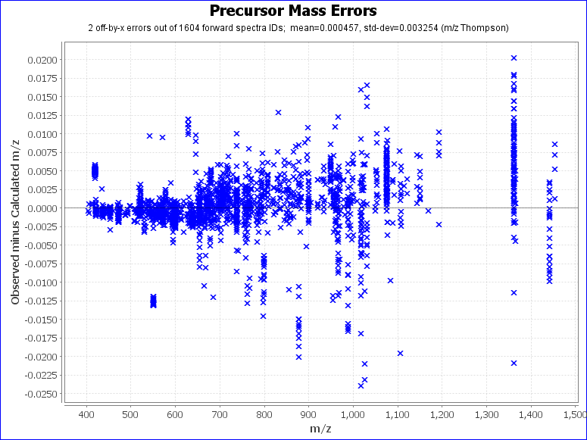
22 | Wildcard Enable | false
23 | Combyne cut off score | Auto
24 | Protein FDR cutoff | 1%
25 | Focused DB created | false
26 | Export mzIdentML | false
27 | Score version | 2
28 | precursor_assignment_flags | 2
29 | po_NumberMonosReturn | 2
30 | %Modification searches:
31 | common_modifications_max | 2
32 | rare_modifications_max | 1
33 | %Fixed and variable modifications:
34 | Propionamide / +71.037114 @ C | fixed
35 | Oxidation / +15.994915 @ M | common2
36 | Dioxidation / +31.989829 @ M, W | common1
37 | Oxidation / +15.994915 @ H, W | common1
38 | Deamidated / +0.984016 @ N | common1
39 | Gln->pyro-Glu / -17.026549 @ N-Term Q | rare1
40 | Glu->pyro-Glu / -18.010565 @ N-Term E | rare1
41 | Acetyl / +42.010565 @ Protein NTerm | rare1
42 | Biotin / +226.077598 @ K | rare1
43 | % Custom modification text below
44 | APEX2_Biotin / +361.146012 @ Y | rare1
45 | %Glycan modifications:
46 | Show all N-glycopeptides | 0
47 | %Addition parameters:
48 | Product Version | PMI-Byonic-Com:v2.6.49
49 | Registered to | Ryan Leib Stanford University Mass Spectrometry

